Example
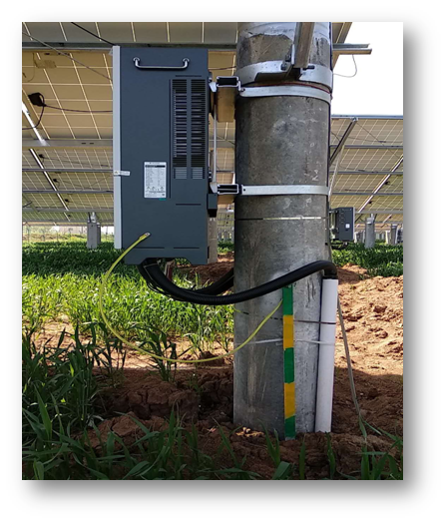
RMA Application (for on-grid inverter) |  |  |  | RMA No. (assigned by Goodwe)
*Name of end user | XX Station | *City & Country | Jeju,Korea | *Type of customer □ Residential inverter □ Roof-top plant √ Ground-mounted plant
*Contact methods of end user (email and phone No.) | XXX@XXX.COM | *Product S/N | 1020KDTUXXXXXXXX | *Connected to SEMS √ Yes □ No
*Installation date | 09/07/201X | Warranty expire date | 06/17/201X | *Failure date | 07/12/201X
Inverter firmware version (from LCD or SEMS/Solar go) | 708 | Brand of PV Pannel | NA | *QTY of PV Pannel per MPPT | 14
 |  | Model type of PV Pannel | NA | *QTY of MPPT connected to inverter | 2
*Installation environment description | *Inverter installed place | □ Indoor √ Outdoor | Installation picture A (Please attach it to another page) | Please show the whole inverter with clear sroundings
 | *If there's any shield on top of inverter | √ Yes □ No | Installation picture B (Please attach it to another page) | Please show the inverter's connection status
 | *Distance from the inverter to the nearest obstacle | √ ≤ 0.6m □ > 0.6 m | Installation picture C (Please attach it to another page) | Please show the grouding connection status and N to PE voltage
 | *Distance from the inverter to the nearest inverter (if there is more than 1 inverter) | √ ≤ 1.2m □ > 1.2m
*Problem description | *Symptom:The inverter stops working and shows relay check failure Frequency of occurrence: Always Influence: No power generation
*Troubleshooting steps done with testing result | *Step 1 Description of test (if there's any error message on the screen, please take a picture) | take a picture of the error message | *Description of test result (Please provdie the picture of testing result if there is) | Relay check failure on screenshot
 | *Step 2 Description of test | 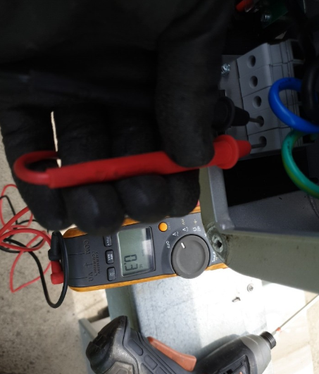 measure the voltage between N&PE cable | *Description of test result (Please provdie the picture of testing result if there is) | 0.3V
 | *Step 3 Description of test | try to restart inverter | *Description of test result (Please provdie the picture of testing result if there is) | still shows relay check failure
 | *Step 4 Description of test | 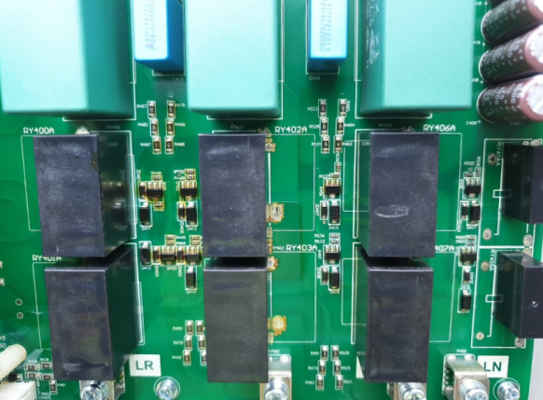 remove the cover and check inside | *Description of test result (Please provdie the picture of testing result if there is) | burnt at the chip set of Relay part
 | *Step 5 Description of test |  | *Description of test result (Please provdie the picture of testing result if there is)
*RMA Application drafted by (Claimant) | XXX |  | *Date of application | 07/16/201X
*RMA Application apporved by (Goodwe) | XXX |  | *Date of approval | 07/16/201X

Remark
1. Please note, all the cells marked with star (*) is mandatory to fill up.
2. Please note all the RMA approval decision is based on the information Goodwe gets from this claim application. After the faulty unit being returned back and checked by Goodwe, if it's confirmed that the failure is due to NONE Goodwe quality related reason, the approval decision made by Goodwe may become invalid and Goodwe reserves the right to charge all the related cost to the claimant.
3. Goodwe reserves the right of final explanation to the understanding of this RMA Claim Application.

Installation picture A Please show the whole inverter with clear sroundings
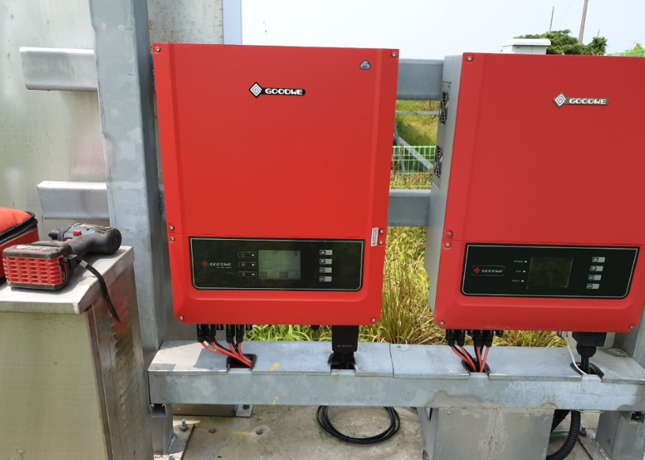

Installation picture B Please show the inverter's connection status
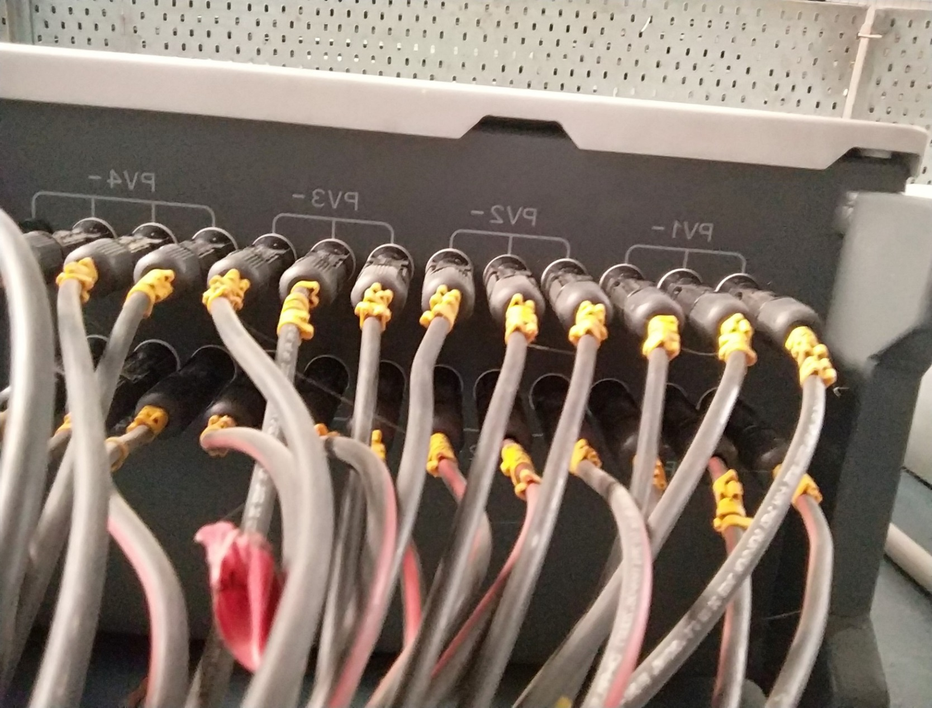

Installation picture C Please show the grouding connection status and N to PE voltage

